Blad1
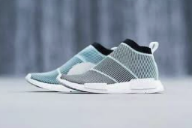
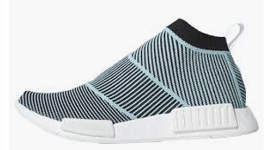
 |  | ADIDAS IN STOCK!

Photo | Article | Model | UK | 3.5 | 4 | 4.5 | 5 | 5.5 | 6 | 6.5 | 7 | 7.5 | 8 | 8.5 | 9 | 9.5 | 10 | 10.5 | 11 | 11.5 | 12 | 12.5 | 13 | 13.5 | Total | RRP/UVP
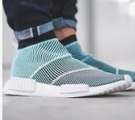 | AC8597 | Adidas Nmd CS1 Parley PK |  | 12 | 11 | 18 | 26 | 19 | 24 | 32 | 23 | 17 | 29 | 25 | 32 | 31 | 33 | 19 | 2 | 8 | 1 | 4 | 1 | 2 | 369 | € 220.00
 |  |  |  |  |  |  |  |  |  |  |  |  |  |  |  |  |  |  |  |  |  |  |  |  | 369

